Sheet1
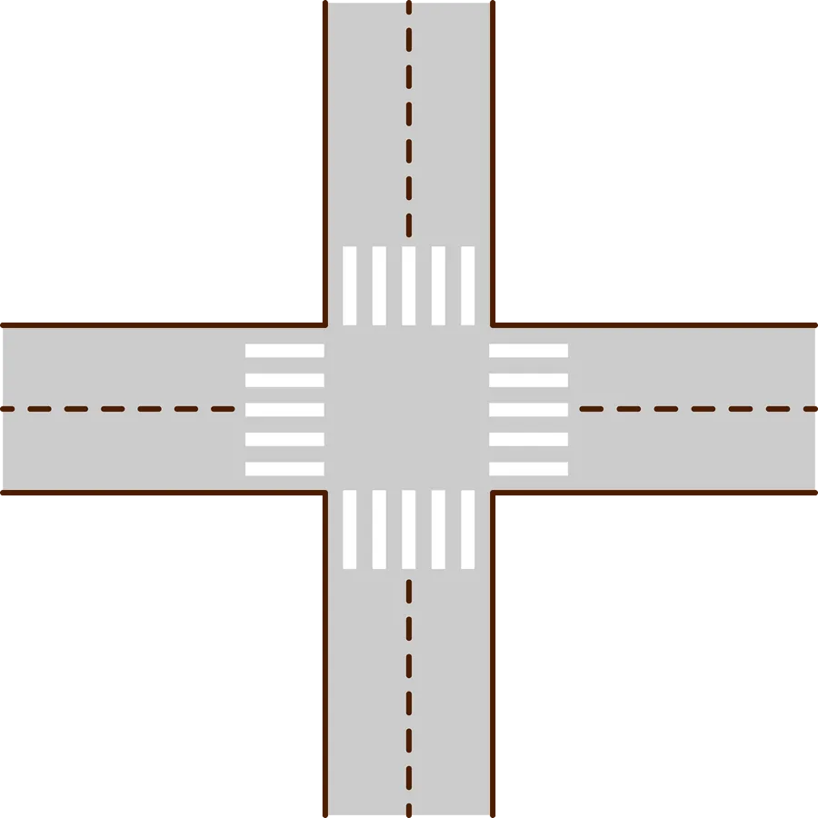
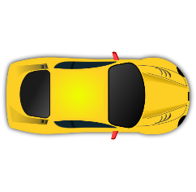
NORTH
SOUTH
WEST
EAST

 | NORTH | WEST | EAST | SOUTH | STEPS
 | RED | RED | RED | GREEN | STEP 1
 | RED | RED | RED | YELLOW
 | RED | RED | GREEN | RED | STEP 2
 | RED | RED | YELLOW | RED
 | RED | GREEN | RED | RED | STEP 3
 | RED | YELLOW | RED | RED
 | GREEN | RED | RED | RED | STEP 4
 | YELLOW | RED | RED | RED

HMI |  | RULES |  | CONTROLLER
TP COMFORT 700 |  | GREEN | 15 SEC | S7=1200
6AV2 |  | YELLOW | 5 SEC | 1212 DC/DC/DC
 |  |  |  | 6ES7 AE40 0XBO

